Output
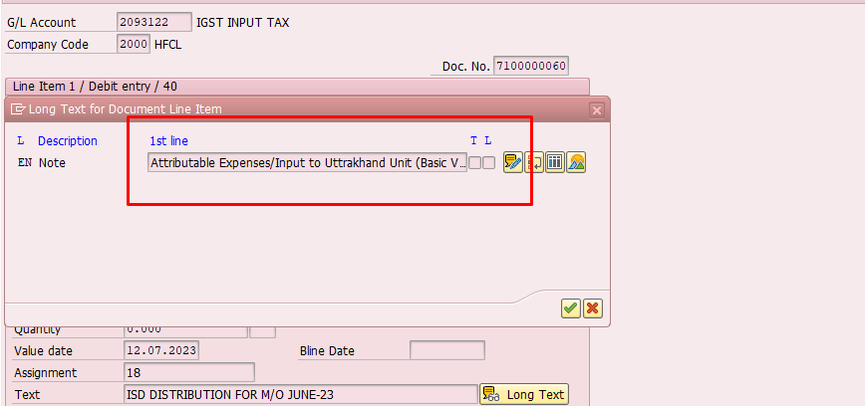
 |  |  | Document Type | IS
Website | WWW.HFCL.COM
Email | Sales.hfcl@hfcl.com |  |  |  |  | HFCL Limited
CIN | L64200HP1987PLC007466 |  |  |  |  | Pass BUKRS ,BELNR & GJHAR in BSEG. Where BSCHL = 50. & fetch BUPLA pass BUPLA in T001 (J_1BBRANCH) with BUKRS where EKORG = BUKRS (as per input screen) as per input screen and Dsiplay --> STRAS , PSTLZ & ORT01
PAN | AAACH4041D
GSTIN | Pass BUKRS ,BELNR & GJHAR in BSEG. Where BSCHL = 50. & fetch BUPLA pass BUPLA in J_1BBRANCH & fetch GSTIN |  | CR
 |  |  |  |  |  | ISD Invoice
 |  |  |  |  |  | Invoice No --> Input Screen BELNR | Invoice Date --> Pass BUKRS, BELNR & GHAR as per the input screen in BKPF & fetch BUDAT
Credit Distributed To :
HFCL Limited
Dr Adress | Pass BUKRS ,BELNR & GJHAR in BSEG. Where BSCHL = 40. & fetch BUPLA pass BUPLA in T001W (J_1BBRANCH) with BUKRS where EKORG = BUKRS (as per input screen) as per input screen and Dsiplay --> STRAS , PSTLZ & ORT01
Dr GSTIN | Pass BUKRS ,BELNR & GJHAR in BSEG. Where BSCHL = 40. & fetch BUPLA pass BUPLA in J_1BBRANCH & fetch GSTIN

S.No | Description of Services | CGST |  | SGST |  | IGST
1 | ] | Rate (%) | Amount | Rate (%) | Amount | Rate (%) | Amount
 |  | Pass BUKRS, BELNR & GJHAR in BSEG & fetch ZUONR | PASS BUKRS,NELNR,GJAHE AND HKONT(GL ACCOUNT) IN BSEG AND FECT DMBTR | Pass BUKRS, BELNR & GJHAR in BSEG & fetch ZUONR |  | Pass BUKRS, BELNR & GJHAR in BSEG & fetch ZUONR
Grand Total |  |  | 0 |  | 0 |  | 0
Total Amount of Credit Distributed in Words

Dec;eration:- Certified that all the particulars given above are true and correct. This document is only for distribution of credit .

 |  |  |  |  |  |  | HFCL Limited
 |  |  |  |  |  |  | Authorized Signatory

 | Head Office: Pass BUKRS (As per the Input Screen) in T001 & Fetch adrnr Pass TABIX in ADRC (ADDRNUMBER) & Display STREET , STR_SUPPL1, STR_SUPPL2, STR_SUPPL3 , LOCATION

